Лист1
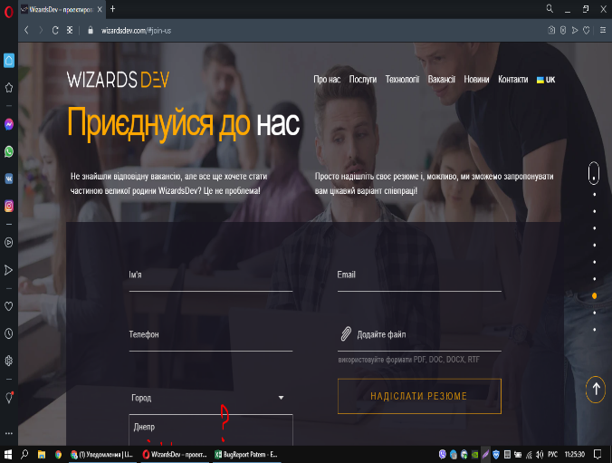
Defect ID | Summary | Severity | Priority | Enviroment (OS, browser) | Description | Steps to Reproduce | Expected Result | Actual Result | Notes, Additional comments | Attachments
1 | There is only one city in the drop-down list for selecting cities. |  |  | Windows 10 | There is no choice of another city in the city field in the "Join us" section. | 1. Open site https://wizardsdev.com | The drop-down list contains several cities for the user to select. | The drop-down list contains only one city.
 |  | trivial | low | Chrome |  | 2. Scroll down to join us section |  |  | Where is the choice!
 |  |  |  | Opera |  | 3. In the city field, click on the arrow to open the drop-down list.

2 | DO NOT SEND DATA FROM FEEDBACK FORM |  |  | Windows 10 | The Submit button does not function. Doesn't send data from the contact form. | 1. Open site https://wizardsdev.com | The letter is sent with the appearance of the letter sending notification. | The button does not respond. The completed form will not be submitted.
 |  | blocker | high | Chrome |  | 2. Scroll down to join us section
 |  |  |  | Opera |  | 3. Fill in all the fields and click the 'Submit button.

3 | DO NOT SEND DATA FROM FEEDBACK FORM |  |  | Windows 10 | The Submit button does not function. Doesn't send data from the contact form. | 1. Open site https://wizardsdev.com | The letter is sent with the appearance of the letter sending notification. | The button does not respond. The completed form will not be submitted.
 |  | blocker | high | Chrome |  | 2. On the panel, click "contacts".
 |  |  |  | Opera |  | 3. Fill in all the fields and click the 'Submit button.

